Sheet1
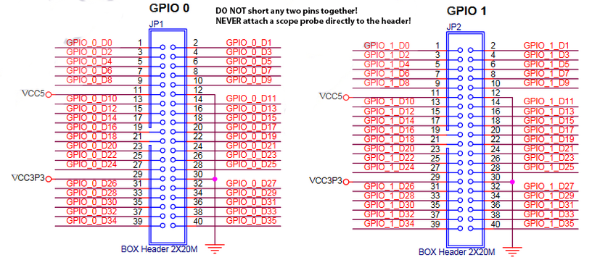
 |  | m1_step_out | m1_dir_out
 |  | m1_read_limit | m2_read_limit
 |  | m2_step_out | m2_dir_out
 |  | m3_step_out | m3_dir_out
 |  | m3_read_limit
5V | GND | 5V | GND

3.3V | GND | 3.3V | GND

 |  |  | Uart_receiver (from Arduino)
 |  | temp_tx_out | Uart_receiver (from pixy)

 |  |  |  |  |  | TOP DOWN

 |  |  |  |  |  | 1 |  |  | -y

 |  |  |  |  |  |  |  | -x |  | +x
 |  | AB17 | AA21 |  | 2 |  | 3
 |  | AB21 | AC23 |  |  |  |  |  | +y
 |  | AD24 | AE23
 |  | AE24 | AF25
 |  | AF26 | AG25
5V | GND | 5V | GND
 |  |  |  | Switches
 |  |  |  | [9] Reset | [8-1] PID | [0] clk_en |  | 1280 motor steps for entire length

 |  |  |  | Buttons
 |  |  |  | [3] P | [2] I | [1] D | [0] T-val

3.3V | GND | 3.3V | GND

 |  | AE22 | AD21
 |  | AA20 | AC22

